1. Title Page
Instacart Grocery Basket Analysis

Project Name: Instacart Grocery Basket Analysis
Date: 08/25/2021
Analyst Name: Azadeh Rezaei

Contents:
Population Flow
Consistency checks
Wrangling steps
Column derivations
Visualizations
Recommendations

Citations | “The Instacart Online Grocery Shopping Dataset 2017”, Accessed from https://www.instacart.com/datasets/grocery-shopping-2017 on <date>.

2. Population Flow
 | Title page

Population flow

Exclusion flag
Condition: max_order <
Obervations to be removed:
Final total count of order_products_all:

Orders_products_combined
Orders_products_merged
Orders_products_all

Total: 32404859
Total: 32434489
Total:
32404859

1.) The grey boxes in the first row of the population flow represent the original data sets as they were when you downloaded them. In the Total fields you need to add the count of the rows when you imported the data set into Jupyter.
2.) The second row of boxes (coloured) represents the data sets after you manipulated them, e.g., removed missing values and duplicates. In the Total fields you need to add the count of the rows after conducting these operations. This offers a visual oveview of how the data flows throughout the data consistency checks.
3.) The third row, where also the arrows are coloured, represents the merges you performed between the datasets. In the Total fields you need to add the count of the rows in the merged datasets, so that you end up with the final dataset (in the red box). Keep in mind the final dataset should be without exclusions (based on the exclusion flag).

3. Consistency checks
 |  |  |  | Title page
Consistency checks

Dataset | Missing values | Missing values treatment | Duplicates
orders | 206209 values in the days_since_prior_order are missing because there's no day prior to the very first order date. | I replaced the missing values with -1 | none
products | 16 product names | Removed the rows with missing values | 5 duplicate values; Removed them all.
orders_products_prior | none |  | none
customers | 11259 first name values are missing | Kept all rows with missing first names. | none

4. Wrangling steps
 |  |  |  | Title page
Wrangling steps

Columns dropped | Columns renamed | Columns' type changed | Comment/Reason
'eval_set' from the orders.csv |  |  | eval_set column was dropped because it contained unnecessary system information.
 | 'order_dow' to 'order_day_of_week' |  | changed the column name
 | 'First Name' to 'first_name' |  | changed the column name
 | 'Surnam' to 'last_name' |  | changed the column name
 | 'Gender' to 'gender' |  | changed the column name
 | 'Age' to 'age' |  | changed the column name
 | 'STATE' to 'state' |  | changed the column name
 |  | 'order_id' from INT to STR | changed the data_type since order_id is an identifier and not treated as an integer
 |  | 'user_id' from INT to STR | changed the data_type since user_id is an identifier and not treated as an integer

5. Column derivations
 |  |  |  | Title page

Column derivations and aggregations

Dataset | New column | Column/s it was derived from | Conditions
orders_products_merged | price_range_loc | prices | If the item’s price is lower than or equal to $5, it will be labeled a “low-range product.” If the item’s price is above $5 but lower than or equal to $15, it will be labeled a “mid-range product.” If the item’s price is above $15, it will be labeled a “high-range product.”
orders_products_merged | busiest_day | order_day_of_week | Day 0 & 1 are the busiest. Day 3 & 4 are the least busy and other numbers are all regularly busy
orders_products_merged | slowest/busiest days | order_day_of_week | "Busiest day" label to Saturdays and Sundays (0 and 1) and the "Least Busy" to Tuesday and Wednesday (3 and 4) and the rest "Regular Busy". I then appended the list to my original dataframe.
orders_products_merged | busiest_period_of_day | order_hour_of_day | Based on the above frequencies I am going to assign the labels as: "Most Orders": 10 - 16. (hours with frequencies above 2,500,000) "Average Orders": 7, 8, 9, 17, 18, 19, 20, 21, 22 (hours with frequencies above 500,000 under the "Most Orders" category) "Fewest Orders": 0, 1, 2, 3, 4, 5, 6, 23 (hours with frequencies under 500,000)
orders_products_merged | loyalty_flag | max_order | max_order greater than 40 is 'Loyal Customer', less than or equal to 40 OR greater than 10 is flagged 'Regular Customer'. Max_order less than or equal to 10 is labeled 'New Customer'.
orders_products_merged | spending_flag | avg_price | Avg_price less than 10 is flagged 'Low Spender', greater than or equal to 10 is flagged 'High Spender'
orders_products_merged | frequency_flag | order_freq | order_freq greater than 20 is flagged 'Non-frequent Customer', order_freq greater than 10 or less than or equal to 20 is flagged 'Regular Customer'. Order_freq less than 10 is flagged 'Frequent Customer'.
orders_products_merged | region | state | Based on the 4 defined region in the U.S.
orders_products_merged | activity_flag | max_order | customers who placed fewer than 5 orders are flagged as low_activity and were stored in a separate dataframe
orders_products_merged | pet_flag | department_id | Based on the purchases from 'pets' department
orders_products_merged | baby_flag | department_id | Based on the purchases from 'babies' department

6. Visualizations
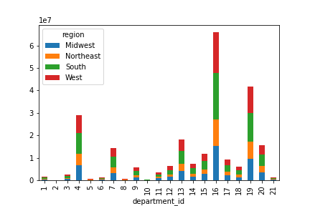
 |  |  |  |  |  |  | Title page

Visualisations

 | Key Questions

 | ● What are the busiest days of week and hours of day?

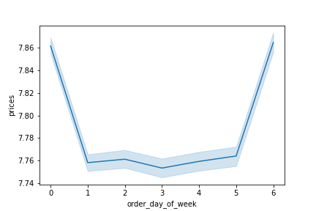 | Barplot showing the relationship between the days of the week and the purchase prices: |  |  | Order day of the week barplot, showing Saturdays (the first bar) having the most transactions followed by Sundays and Fridays:

 | ● What are the particular hours of the day when people spend the most money?

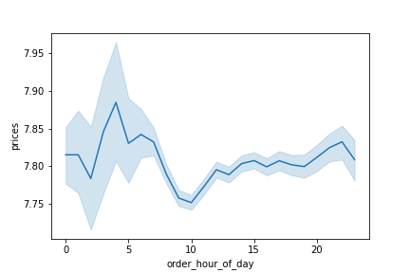 | Lineplot showing the spread of the prices (money spent) throughout the day: |  | 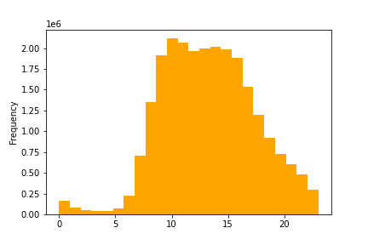 | Histogram showing the spread of the order hour of the day over a 24 hour period:
 | ● What are the price range groupings in the items purchase through Instacart?

 | 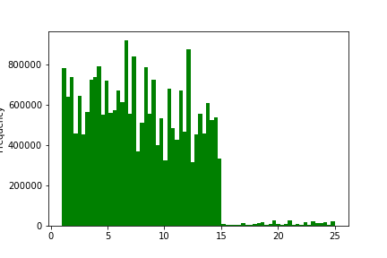 Price range histogram, showing the spread of the item prices:

 | ● What are the departments/products that are more popular than others?

 | 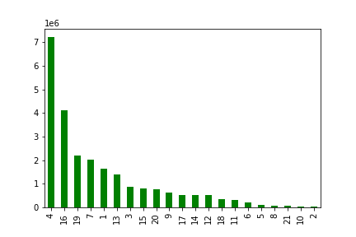 | Barplot showing the frequency of transactions in each department, showing that the produce department has by far the most transaction traffic:

 | ● The marketing and sales teams are particularly interested in the different types of customers in their system and how their ordering behaviors differ.

 | 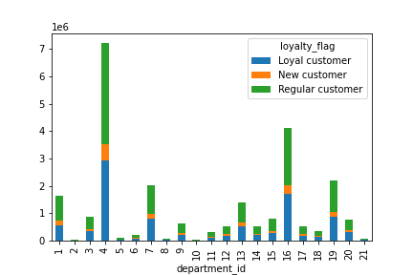 | The spread of transactions in each department and for each loyalty group:

 | ○ What’s the distribution among users in regards to their brand loyalty in each region?

 | 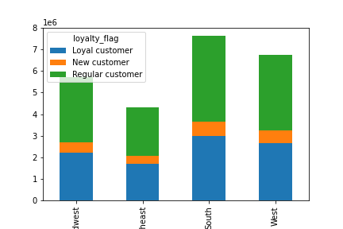 | Number of customers in each loyalty category in each region: |  |  | 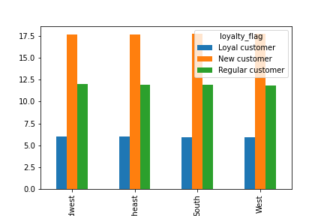 | How often (days_since_prior_order) different loyalty groups in each region revisit Instacart:

 | ○ Which customer group places the most orders?

 | 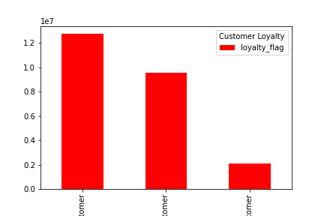 | Transaction frequencies inn terms of the customer loyalty flag, from left to right: Regular customer, loyal customer and new customer groups:

 | ○ Is there a connection between shoppers' income and the frequency of their purchases?

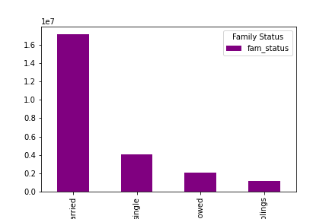
 | 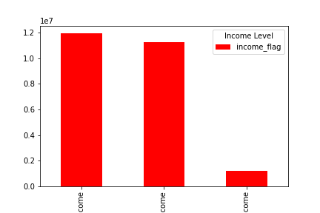 | Shoppers' frequency based on their income, in order from left to right: Mid-level, high and low income
 | 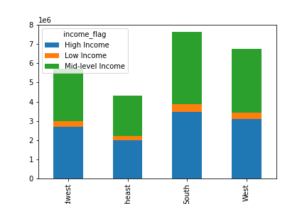
 | ○ What differences can you find in ordering habits of different customer profiles? Consider the price of orders, the frequency of orders, the products customers are ordering, and anything else you can think of.

 |  | Transaction spread in different regions across different department_ids:

7. Recommendations
 |  |  | Title page

Conclusions & Recommendations

Question |  | Answer
Key Question 1
○ What are the busiest days of week and hours of day? |  | The 3 busiest days of the week in order are: Saturdays, Sundays and Fridays. The least busy day of the week is Wednesday.
Key Question 2
○ What are the particular hours of the day when people spend the most money? |  | 11:00 am to 4:00 pm are the busiest hours of the day.
Key Question 3
○ What are the price range groupings in the items purchase through Instacart? |  | There are a few outliers prices in the original dataframe. After excluding these values and based on the histogram in the previous sheet, most items' prices range under $15 with slightly more than 50% under $7.5.
Key Question 4
○ What are the departments/products that are more popular than others? |  | Department numbers 4, 16 and 19 (produce, dairy eggs, and snacks) are the most frequented. And department 2 and 10 (other, bulk) are the least.
Key Question 5
○ The marketing and sales teams are particularly interested in the different types of customers in their system and how their ordering behaviors differ. |  | Regular customers frequent the more popular departments (from the previous question) slightly more often than loyal customers. New customers shop the least in all departments.
Key Question 6
○ What’s the distribution among users in regards to their brand loyalty in each region? |  | Loyal customers spend the least number of days to revisit instacart in all 4 U.S. regions, followed by regular customers. New customers take the longest to return to instacart (an average of almost 17 days to place a new order).
Key Question 7
○ Which customer group places the most orders? |  | Regular customers place the most orders, followed closely by loyal customers.

○ Is there a connection between shoppers' income and the frequency of their purchases? |  | Mid-level and high income categories almost place the same number of orders in all U.S. regions with the customers from the South region spending the most and the ones ffrom the Northeast the least.

○ What differences can you find in ordering habits of different customer profiles? Consider the price of orders, the frequency of orders, the products customers are ordering, and anything else you can think of. |  | Based on the stacked chart below, it looks like customers from all regions spend the most money in the same departments 16 and 19 (dairy eggs and snacks) and the leasy in the same department 2 (other). It also looks like across all categories and regions, custoemrs use Instacart for more essential categories than departments such as bulk, other, alcohol (due to the need for ID checks probably), international and pets.

Recommendations

Increase workforce during busy days (Saturdays, Sundays and Fridays) and hours (11 am to 4 pm for faster service.
Provide more targeted digital coupons that would attract the areas we are the strongest:
 | ○ Produce, dairy eggs and snacks
 | ○ Special coupons that can encourage more shopping from the second best/popular departments
 | ○ Provide freedelivery or special offers to encourage more low-income customers to place their orders through Instacart
 | ○ Loyal customers use instacart more frequently but rehular customers spend slightly more. Provide more targetted coupons to the loyal customers to enourage bigger purchaces.
 | ○ Offer discounts or no service-fee after certain number of purchaces to regular customers who spend more, to decrease their return time.
Married customers are by far the biggest customer category. Target this category through special discounts, and personalized offers based on their purchase history.

